Instructions
 |  | Instructions

The purpose of this tool is to align the strategic planning and decision-making for a business case. This forms part of the business case to outline the organisation's plan for project - risk, return, the investments required, time and financial break-even.

Summary Tab
 | The summary tab provides you with an overview of the financial status of the business case.
 | Fields/cells that require user input are highlighted in "GREY", such as Project Name, Prepared By and Project Owner.

 | Capital Requirements
 | Please enter a description of the type of Capital required for the business case.
 | > Select the CAPEX Category relevant to the Capital required
 | > Enter the amount of the initial Capital required and any further investments in the year it is required
 | ***CAPEX form must be completed for all CAPEX business cases***
 | QP 6002 Capital Procedure
 | https://endeavourfoundationaust.sharepoint.com/:w:/r/sites/DMS/_layouts/15/Doc.aspx?sourcedoc=%7B13626B9E-497D-4607-82E5-58A883DABE37%7D&file=QP%206002%20Capital%20%20Procedure.docx&action=default&mobileredirect=true&DefaultItemOpen=1

 | Surplus/(Deficit)
 | High level Profit and Loss view of income and expenses.
 | > Operating Income, Core Service Income and Property Income: Amounts must be entered for Year 1. The following years are formulated and calculated based on CPI increase
 | > Operating Expenses: No figures are to be entered in this section. The figures are pulled through from the calculation sheet, employee expense calculator and depreciation calculator tabs

Calculation Sheet - Income
 | This Calculation Sheet is to be used to calculate the income, such as sales, NDIS income, fundraising, property income etc.
 | > Cells highlighted in grey require user input
 | For Cost of Goods Sold, you are required to select either one of 2 methods:
 | > Method 1 By product: Enter cost $/unit and number of units required
 | > Method 2 Gross Margin %: Enter a targeted gross margin % based on the Total Sales Income
 | ***The amounts in this spreadsheet will flow to the Summary sheet***

Calculation Sheet - OPEX
 | This Calculation Sheet is to be used to calculate operational expenses, such as travel, professional consultancy fees, training expenses etc.
 | > Enter a brief description in the "Description" column and select the General Ledger Category it relates to
 | > Enter the amount of the cost into the relevant years
 | ***The amounts in this spreadsheet will flow to the Summary sheet***

 | Please click on the link for a list and description of the General Ledger codes: | Chart of Accounts

Employee Expense Calculator
 | This tool is used to calculate the Salary Costs. You can choose to use either one of 2 methods:
 | > Method 1 % of Income: Enter a % amount based on the service income
 | > Method 2 Cost Calculation: Enter position, total weeks and hourly rate to calculate the salary costs over the years required
 | ***Please ensure you select the method you use in the tool so the salary costs flow through to the Summary Sheet***

Depreciation Calculator
 | This tool is used to calculate the Depreciation on the Capital Initiatives.
 | > Calculations are formulated. No manual input required.

Assumptions
 | This tool is used to adjust the indexation % such as CPI, WPI & Wages On-costs.

Completion
 | Once the tab "Summary" is ready, then copy it over (Ctrl + A, Ctrl C and then Ctrl V as a picture) to the Financials section of the business case document as per example below.

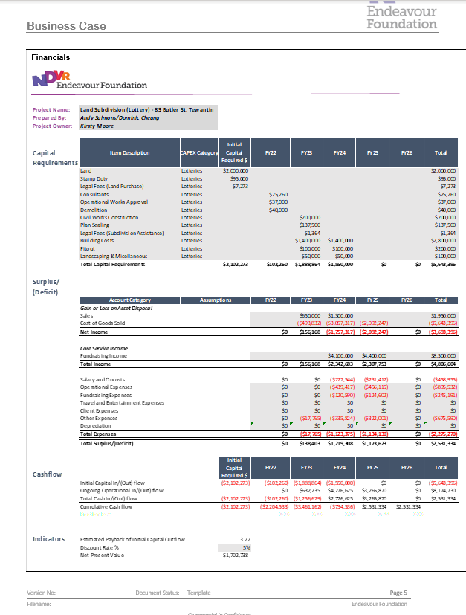

 | Please see your Commercial Business Partner for further support.

